data
 | Inosine | m6A | m62A | m5U | m7G | ac4C | C | U | G | A | N
 | (fmol) | (fmol) | (fmol) | (fmol) | (fmol) | (fmol)
SIL-IS only | 5.4237098257 | 0.29753530264 | 0.12069750308 | 2.1671980393 | 1.9023913117 | 3.0081637263
K (shortRNA1) | 855.45322343 | 15.038328263 | 2.7314103007 | 1887.2347705 | 3361.425134 | 624.98892541 | 125989.24308 | 151782.19174 | 82771.627014 | 139566.04637 | 500109.1082
UVA (shortRNA1) | 901.85583708 | 12.975853561 | 3.2430027032 | 1972.5412373 | 3512.2946084 | 721.69380241 | 134751.76083 | 160382.8047 | 89663.442326 | 143857.16631 | 528655.17415
UVC (shortRNA1) | 1326.7423991 | 19.55712998 | 5.1299872254 | 2797.1921469 | 4909.5240201 | 913.27143109 | 112197.28869 | 194172.9265 | 88271.228102 | 188251.72661 | 582893.1699
AcD (shortRNA1) | 857.78162002 | 16.646612071 | 3.4370787773 | 1933.259897 | 3422.3771817 | 621.29258001 | 131027.94814 | 165067.41492 | 94840.455411 | 153753.32686 | 544689.14533
Gamma (shortRNA1) | 966.18787079 | 23.279558601 | 6.0526655543 | 2192.1352478 | 3848.8067215 | 710.70918715 | 120119.57654 | 181391.88353 | 93310.615702 | 167224.63483 | 562046.71061
K (shortRNA2) | 937.96763239 | 13.952669782 | 2.5814947441 | 2071.5196222 | 3735.2057032 | 700.48593304 | 101992.43518 | 148043.36385 | 73546.534349 | 141244.06159 | 464826.39497
UVA (shortRNA2) | 1052.010141 | 5.555525323 | 1.656954716 | 2121.8732696 | 3907.8150905 | 715.94171168 | 130899.50417 | 153912.58533 | 87736.216916 | 150579.5015 | 523127.80791
UVC (shortRNA1) | 1340.1671049 | 15.184918437 | 3.6834986594 | 2736.7106955 | 4931.7908906 | 906.78203348 | 108123.98832 | 186652.19323 | 84502.870353 | 184977.90177 | 564256.95367
AcD (shortRNA2) | 943.16140556 | 5.3357405744 | 1.5100032719 | 1980.1532285 | 3647.8598254 | 659.68327586 | 125236.31658 | 160890.23191 | 93149.552656 | 152802.91978 | 532079.02093
Gamma (shortRNA2) | 1201.9613237 | 9.0459982878 | 2.4508363193 | 2410.2076052 | 4467.8745183 | 767.39650243 | 117794.07693 | 173787.01284 | 87311.096567 | 164908.50061 | 543800.68696
K (shortRNA3) | 980.1376307 | 9.4447093785 | 1.6244610732 | 2113.6907159 | 3843.8052355 | 699.76022766 | 119480.84052 | 156793.5608 | 86797.969392 | 149370.86604 | 512443.23676
UVA (shortRNA3) | 1114.1927997 | 8.7955402639 | 2.0990453683 | 2309.0066788 | 4213.622709 | 756.84686378 | 117702.14194 | 167173.23716 | 89150.568277 | 159855.88742 | 533881.83479
UVC (shortRNA3) | 1244.3639307 | 18.156183818 | 4.657106801 | 2693.7122855 | 4739.5523067 | 847.50989447 | 105568.07121 | 183529.45412 | 82580.856696 | 179342.3478 | 551020.72982
AcD (shortRNA3) | 891.31321397 | 6.2634480244 | 1.0613286752 | 1934.8491637 | 3537.3225719 | 640.18282724 | 119494.62688 | 151382.99515 | 91187.090254 | 147630.11138 | 509694.82366
Gamma (shortRNA3) | 1120.9383076 | 8.9533125096 | 2.2400755799 | 2462.5015631 | 4495.9873562 | 812.6802224 | 111171.1775 | 174402.08062 | 85632.229549 | 144598.99915 | 515804.48682

 | Inosine/N(%) | m6A/N(%) | m62A/N(%) | m5U/N(%) | m7G/N(%) | ac4C/N(%)

K (shortRNA1) | 0.169969 | 0.003 | 0.001 | 0.377 | 0.672 | 0.124
UVA (shortRNA1) | 0.169568 | 0.002 | 0.001 | 0.373 | 0.664 | 0.136
UVC (shortRNA1) | 0.227 | 0.003 | 0.001 | 0.480 | 0.842 | 0.156
AcD (shortRNA1) | 0.156 | 0.003 | 0.001 | 0.355 | 0.628 | 0.114
Gamma (shortRNA1) | 0.171 | 0.004 | 0.001 | 0.390 | 0.684 | 0.126
K (shortRNA2) | 0.201 | 0.003 | 0.001 | 0.445 | 0.803 | 0.150
UVA (shortRNA2) | 0.200 | 0.001 | 0.000 | 0.405 | 0.747 | 0.136
UVC (shortRNA1) | 0.237 | 0.003 | 0.001 | 0.485 | 0.874 | 0.160
AcD (shortRNA2) | 0.176 | 0.001 | 0.000 | 0.372 | 0.685 | 0.123
Gamma (shortRNA2) | 0.220 | 0.002 | 0.000 | 0.443 | 0.821 | 0.141
K (shortRNA3) | 0.190 | 0.002 | 0.000 | 0.412 | 0.750 | 0.136
UVA (shortRNA3) | 0.208 | 0.002 | 0.000 | 0.432 | 0.789 | 0.141
UVC (shortRNA3) | 0.225 | 0.003 | 0.001 | 0.488 | 0.860 | 0.153
AcD (shortRNA3) | 0.174 | 0.001 | 0.000 | 0.379 | 0.694 | 0.125
Gamma (shortRNA3) | 0.216 | 0.002 | 0.000 | 0.477 | 0.871 | 0.157

ac4C

 | Inosine/N(%) | m6A/N(%) | m62A/N(%) | m5U/N(%) | m7G/N(%) | ac4C/N(%)
 |  |  |  |  |  |  |  |  |  |  | ac4C/N(%)
K (shortRNA1) | 100.000000 | 100.000000 | 100.000000 | 100.000000 | 100.000000 | 100.000000 |  |  | average | st.dev P
UVA (shortRNA1) | 99.764421 | 81.364148 | 113.138009 | 98.881269 | 98.848557 | 109.308590 |  | Ctrl | 109.99 | 8.443500108 | 100.00 | 120.65 | 109.33
UVC (shortRNA1) | 133.367304 | 112.099092 | 164.623886 | 127.213899 | 125.334111 | 125.564209 |  | UVA | 110.81 | 1.9306109195 | 109.31 | 109.58 | 113.53
AcD (shortRNA1) | 92.067009 | 101.832975 | 116.632987 | 94.057243 | 93.481323 | 91.269862 |  | UVC | 125.86 | 2.2776776546 | 125.56 | 128.79 | 123.23
Gamma (shortRNA1) | 100.571550 | 138.726608 | 202.177145 | 103.372069 | 101.888731 | 101.243051 |  | ActD | 97.01 | 4.0902558702 | 91.27 | 99.23 | 100.52
K (shortRNA2) | 118.034584 | 99.666479 | 101.412320 | 118.108600 | 119.561037 | 120.650021 |  | Gamma | 113.49 | 10.200311604 | 101.24 | 113.02 | 126.22
UVA (shortRNA2) | 117.705851 | 34.100117 | 56.255086 | 107.499311 | 111.148065 | 109.579435
UVC (shortRNA1) | 139.171920 | 89.512846 | 120.954027 | 128.571810 | 130.061080 | 128.786599
AcD (shortRNA2) | 103.689791 | 32.125037 | 50.018121 | 98.624525 | 102.005276 | 99.234397
Gamma (shortRNA2) | 129.454563 | 54.580301 | 82.081958 | 117.479438 | 122.254101 | 113.021772
K (shortRNA3) | 111.908265 | 60.559893 | 56.213349 | 109.317074 | 111.606064 | 109.325208
UVA (shortRNA3) | 122.187485 | 54.002735 | 70.984443 | 114.633109 | 117.436083 | 113.532734
UVC (shortRNA3) | 132.285783 | 109.957427 | 157.706633 | 129.590022 | 127.991818 | 123.231127
AcD (shortRNA3) | 102.258659 | 39.710979 | 35.352067 | 100.597691 | 103.256641 | 100.516206
Gamma (shortRNA3) | 127.239192 | 56.933105 | 78.709832 | 126.545544 | 129.701005 | 126.215255

graphs total
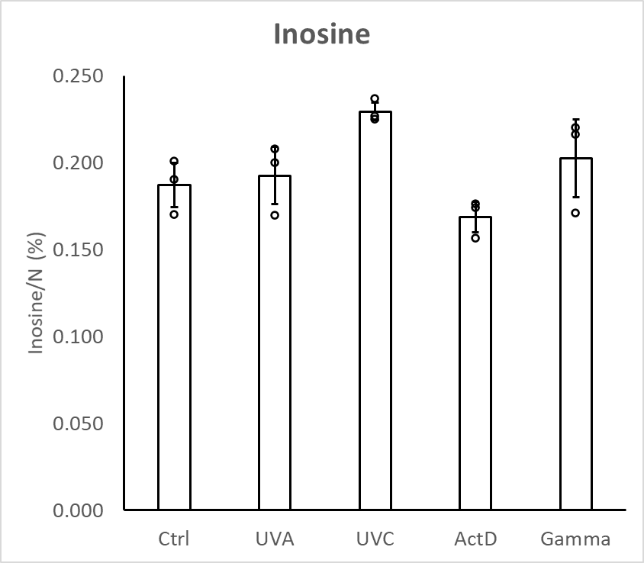
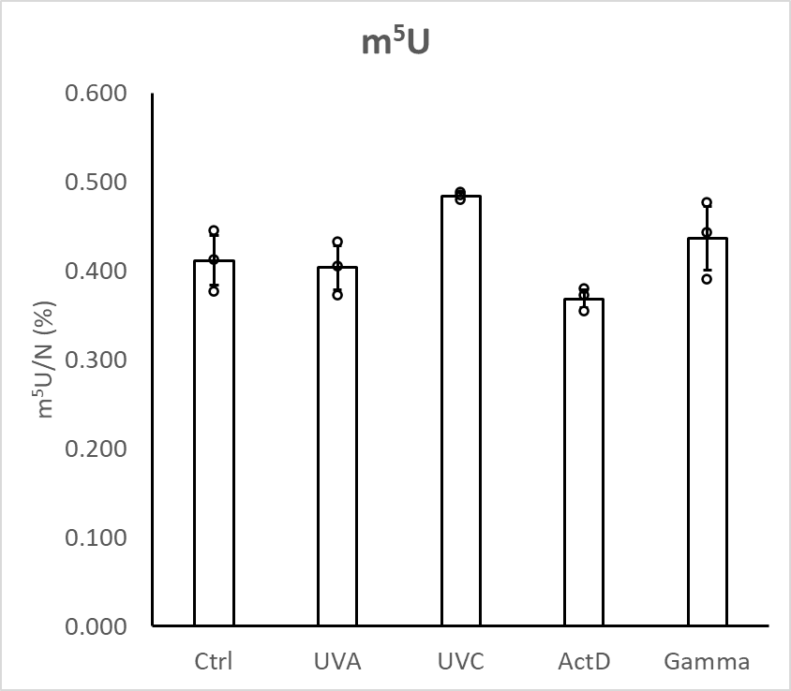
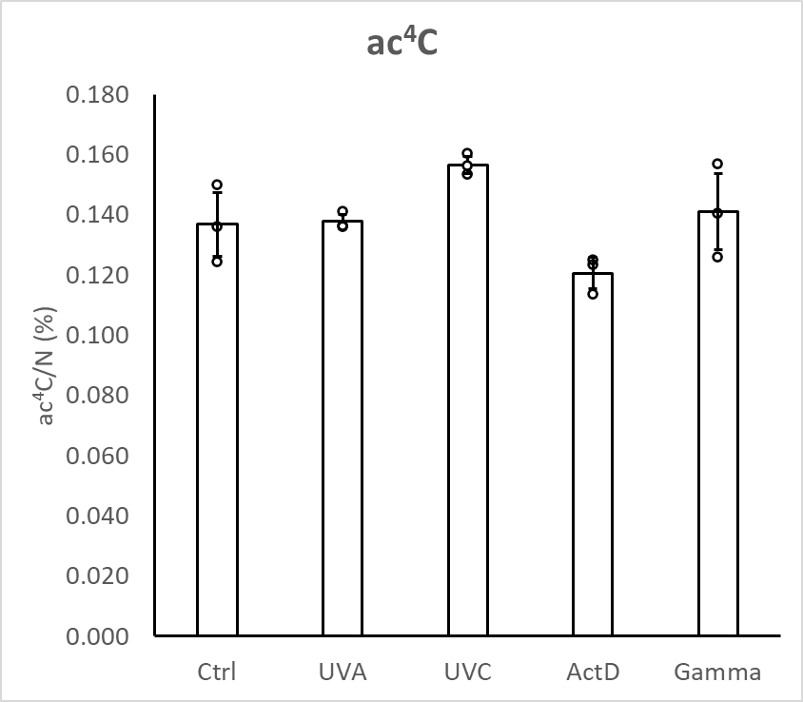
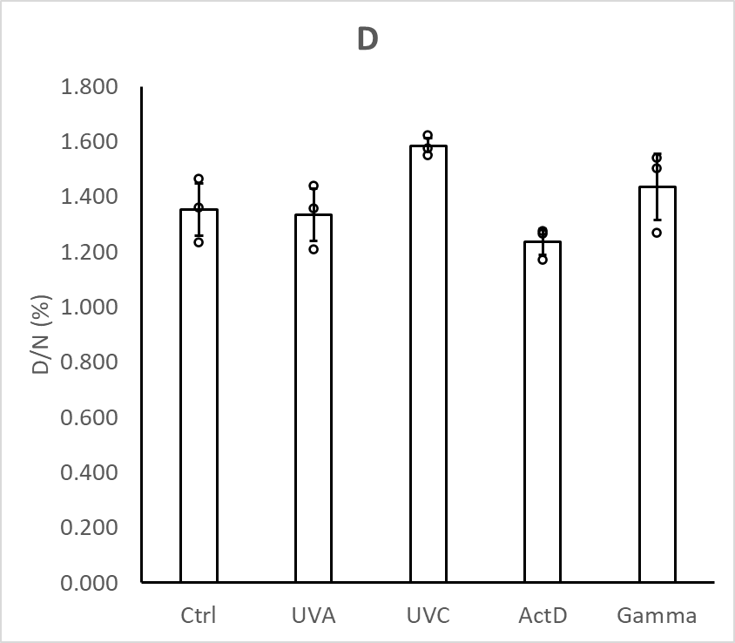

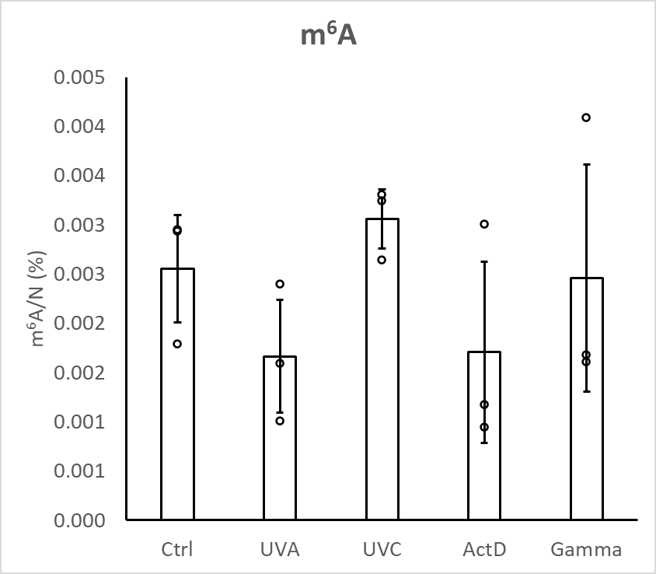
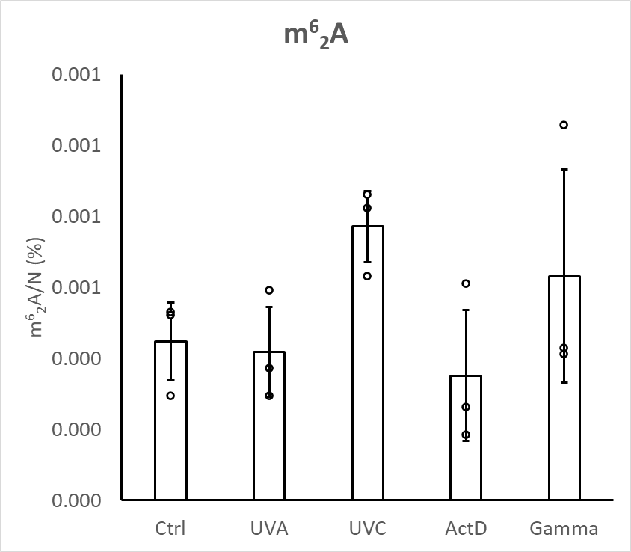
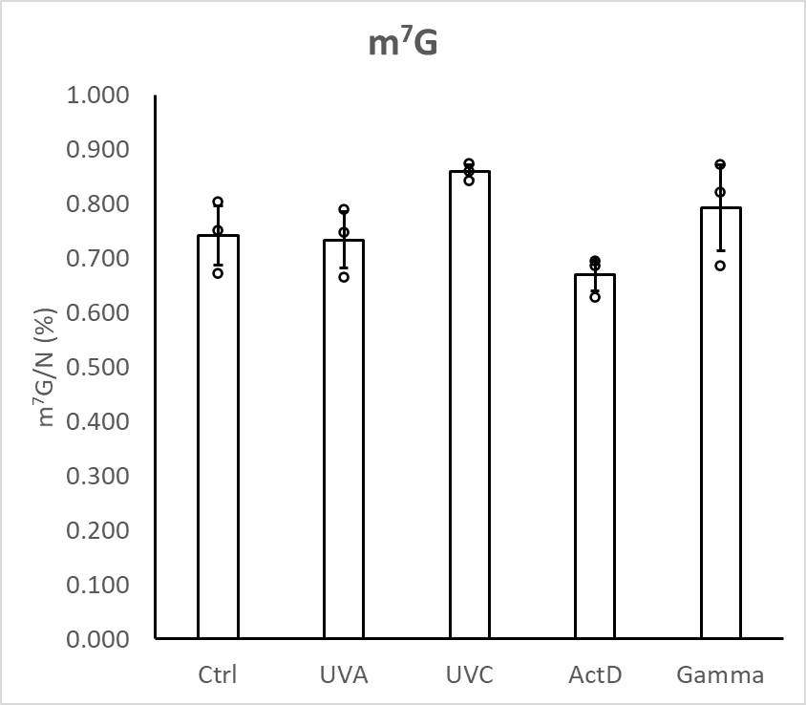

graphs relative (%)
