data total + long RNA
 | Inosine | m6A | m62A | m5U | m7G | ac4C | C | U | G | A | N |  | Inosine/N(%) | m6A/N(%) | m62A/N(%) | m5U/N(%) | m7G/N(%) | ac4C/N(%)
 | (fmol) | (fmol) | (fmol) | (fmol) | (fmol) | (fmol) | (fmol) | (fmol) | (fmol) | (fmol) | (fmol) | K (Total1) | 0.020 | 0.030 | 0.024 | 0.054 | 0.081 | 0.037
SIL-IS only | 3.8394493254 | 0.15425725944 | 0.15082790452 | 45.921697522 | 1.5466346211 | 12.82890166 | 0 | 0 | 0 | 0 | 0 | K (Total2) | 0.038 | 0.027 | 0.022 | 0.085 | 0.145 | 0.043
K (Total3) | 237.76721038 | 229.71447305 | 181.90755097 | 595.20571097 | 942.97746417 | 376.45429965 | 129570.89991 | 277373.84673 | 126287.5944 | 258458.64481 | 791690.98585 | K (Total3) | 0.030 | 0.029 | 0.023 | 0.069 | 0.119 | 0.046
UVA (Total1) | 204.18613281 | 165.85876503 | 135.88603574 | 521.77074023 | 762.60611648 | 275.42807853 | 101929.07147 | 215721.88445 | 101519.98421 | 203680.44659 | 622851.38672 | UVA (Total1) | 0.032 | 0.027 | 0.022 | 0.076 | 0.122 | 0.042
UVA (Total2) | 230.92391086 | 224.84096174 | 178.1821512 | 568.13570976 | 946.42121247 | 310.35339637 | 125176.63376 | 264978.05113 | 122818.81684 | 246419.4115 | 759392.91323 | UVA (Total2) | 0.030 | 0.030 | 0.023 | 0.069 | 0.124 | 0.039 |  |  |  | 0.000
UVA (Total3) | 320.52400965 | 196.1047757 | 156.89291606 | 745.68548602 | 1245.9296023 | 347.65617253 | 118596.04136 | 251739.31957 | 115620.72784 | 234879.31438 | 720835.40315 | UVA (Total3) | 0.044 | 0.027 | 0.022 | 0.097 | 0.173 | 0.046 | TOTAL | average | st.dev. | 1 | 2 | 3
UVC (Total1) | 369.29710549 | 177.54031378 | 147.12168783 | 866.29968335 | 1328.8086819 | 340.16470889 | 109937.30268 | 229816.67543 | 105394.89614 | 218883.08028 | 664031.95453 | UVC (Total1) | 0.055 | 0.027 | 0.022 | 0.124 | 0.200 | 0.049 | ctrl | 0.042 | 0.0039023659988 | 0.037 | 0.043 | 0.046
UVC (Total2) | 362.67782557 | 167.87022624 | 137.32874044 | 919.44237636 | 1268.4678266 | 390.17861773 | 110075.1261 | 228990.53525 | 106634.89526 | 219058.98625 | 664759.54286 | UVC (Total2) | 0.054 | 0.025 | 0.021 | 0.131 | 0.191 | 0.057 | UVA | 0.043 | 0.002984181508 | 0.042 | 0.039 | 0.046
UVC (Total3) | 475.88434698 | 156.64207002 | 135.35202449 | 1073.3573324 | 1689.6769055 | 376.31876476 | 109638.67488 | 223616.40663 | 105212.52077 | 214356.53309 | 652824.13537 | UVC (Total3) | 0.072 | 0.024 | 0.021 | 0.157 | 0.259 | 0.056 | UVC | 0.054 | 0.0032953535103 | 0.049 | 0.057 | 0.056
ActD (Total1) | 84.440180643 | 246.18433147 | 208.2029875 | 286.85121585 | 397.53027503 | 275.32562078 | 125483.72636 | 269968.62615 | 124048.00858 | 249673.54745 | 769173.90853 | ActD (Total1) | 0.010 | 0.032 | 0.027 | 0.031 | 0.051 | 0.034 | ActD | 0.041 | 0.011577007406 | 0.034 | 0.031 | 0.057
ActlD (Total2) | 104.4784258 | 232.29821614 | 188.07042278 | 338.25993588 | 441.29889762 | 247.73696595 | 124906.19767 | 263740.29828 | 122680.60903 | 254967.66456 | 766294.76955 | ActlD (Total2) | 0.013 | 0.030 | 0.025 | 0.038 | 0.057 | 0.031 | gamma | 0.041 | 0.0039139109613 | 0.039 | 0.046 | 0.037
ActD (Total3) | 218.44351352 | 241.25274389 | 197.72791851 | 542.22390434 | 836.37033567 | 320.20708932 | 134044.85774 | 285749.62838 | 130473.87203 | 271537.38963 | 821805.74778 | ActD (Total3) | 0.026 | 0.029 | 0.024 | 0.060 | 0.102 | 0.037
ac4C
Gamma (Total1) | 197.45622397 | 231.12043724 | 190.63427151 | 518.39563765 | 768.10655065 | 308.91637828 | 128466.86363 | 274389.83299 | 127545.20833 | 260402.97513 | 790804.88008 | Gamma (Total1) | 0.024 | 0.029 | 0.024 | 0.060 | 0.097 | 0.037
Gamma (Total2) | 74.400141089 | 223.10524252 | 183.0402327 | 213.00516335 | 340.80177289 | 218.31977914 | 114309.44051 | 249045.62823 | 114448.15778 | 231573.23168 | 709376.4582 | Gamma (Total2) | 0.010 | 0.031 | 0.026 | 0.024 | 0.048 | 0.029
Gamma (Total3) | 332.51056965 | 217.41672452 | 171.38603249 | 775.84110371 | 1292.4623462 | 364.28965986 | 129818.25382 | 272616.43968 | 128315.6514 | 256338.66687 | 787089.01177 | Gamma (Total3) | 0.042 | 0.028 | 0.022 | 0.093 | 0.164 | 0.045
K (Long1) | 31.643024501 | 287.5959761 | 236.02093264 | 114.48073804 | 267.07178849 | 217.68125656 | 141182.89418 | 309834.12456 | 140253.62902 | 286766.39585 | 878037.04362 | K (Long1) | 0.003 | 0.033 | 0.027 | 0.008 | 0.030 | 0.023
K (Long2) | 34.195905678 | 313.04294224 | 253.36491601 | 116.069863 | 271.19734167 | 247.27612223 | 143341.27764 | 320795.4616 | 142901.33571 | 294573.28048 | 901611.35542 | K (Long2) | 0.003 | 0.035 | 0.028 | 0.008 | 0.030 | 0.026
K (Long3) | 29.723534127 | 217.38395425 | 174.94346158 | 113.42780784 | 214.95534168 | 173.78147798 | 100576.46127 | 218655.46574 | 101563.78342 | 205521.91717 | 626317.6276 | K (Long3) | 0.004 | 0.035 | 0.028 | 0.011 | 0.034 | 0.026
UVA (Long1) | 112.17815519 | 261.70481848 | 213.15516145 | 122.30439971 | 255.73670097 | 248.80778632 | 108503.75929 | 239509.87931 | 109719.15674 | 225054.12298 | 682786.91831 | UVA (Long1) | 0.016 | 0.038 | 0.031 | 0.011 | 0.037 | 0.035
UVA (Long2) | 59.895945194 | 270.19653318 | 213.5716746 | 188.51103911 | 359.17978502 | 261.34687119 | 133765.60245 | 292910.43504 | 132871.08523 | 274769.22126 | 834316.34397 | UVA (Long2) | 0.007 | 0.032 | 0.026 | 0.017 | 0.043 | 0.030
UVA (Long3) | 40.683748856 | 244.94785136 | 194.81154569 | 133.31563154 | 264.77989487 | 305.38990677 | 119898.91075 | 258317.14397 | 120185.0808 | 242350.52023 | 740751.65576 | UVA (Long3) | 0.005 | 0.033 | 0.026 | 0.012 | 0.036 | 0.039
UVC (Long1) | 49.368251721 | 146.59099164 | 126.86754287 | 224.20323959 | 245.94427251 | 153.66707586 | 79615.271575 | 166490.8303 | 78225.597798 | 159317.13349 | 483648.83316 | UVC (Long1) | 0.009 | 0.030 | 0.026 | 0.037 | 0.051 | 0.029
UVC (Long2) | 48.33067283 | 240.70176058 | 202.6363253 | 200.16592496 | 328.57293413 | 222.48717294 | 123063.28309 | 268255.91597 | 120556.19793 | 250167.97318 | 762043.37017 | UVC (Long2) | 0.006 | 0.032 | 0.027 | 0.020 | 0.043 | 0.028
UVC (Long3) | 29.34774222 | 191.01415952 | 165.536487 | 120.4559634 | 195.62731986 | 517.4305588 | 96143.77743 | 208833.95538 | 93177.139425 | 196279.24117 | 594434.1134 | UVC (Long3) | 0.004 | 0.032 | 0.028 | 0.013 | 0.033 | 0.085
ActD (Long1) | 27.262442186 | 266.385578 | 222.10654059 | 99.413724584 | 228.92243135 | 213.28562022 | 128329.41969 | 281240.70961 | 125771.39429 | 259287.41204 | 794628.93563 | ActD (Long1) | 0.003 | 0.034 | 0.028 | 0.007 | 0.029 | 0.025
ActD (Long2) | 61.38968228 | 247.69141474 | 203.27016204 | 182.50797451 | 340.95192589 | 226.31707381 | 121944.45639 | 268266.14186 | 118103.50937 | 238663.39654 | 746977.50416 | ActD (Long2) | 0.008 | 0.033 | 0.027 | 0.018 | 0.045 | 0.029
ActD (Long3) | 48.108385778 | 223.69427815 | 180.91699731 | 130.1562401 | 253.47830432 | 374.95653371 | 108310.75714 | 228713.42969 | 104183.81472 | 210180.20468 | 651388.20622 | ActD (Long3) | 0.007 | 0.034 | 0.028 | 0.013 | 0.039 | 0.056
Gamma (Long1) | 24.87459003 | 266.36797501 | 214.51394693 | 91.020537492 | 213.25849978 | 204.22177065 | 129016.6127 | 282302.98459 | 125269.69607 | 254712.57787 | 791301.87123 | Gamma (Long1) | 0.003 | 0.034 | 0.027 | 0.006 | 0.027 | 0.024
Gamma (Long2) | 44.119472551 | 233.5941071 | 190.9705755 | 136.41379673 | 261.00157357 | 289.46150237 | 115815.11882 | 250351.58826 | 112932.95055 | 225469.66739 | 704569.32502 | Gamma (Long2) | 0.006 | 0.033 | 0.027 | 0.013 | 0.037 | 0.039
Gamma (Long3) | 22.170428393 | 90.807316296 | 72.083232912 | 84.146657199 | 109.03343177 | 1015.0091976 | 47598.041504 | 97560.715856 | 44857.957492 | 89150.947302 | 279167.66215 | Gamma (Long3) | 0.007 | 0.032 | 0.026 | 0.014 | 0.039 | 0.359
K (Total1) | 175.07103231 | 258.19563609 | 202.84559005 | 505.91380843 | 697.54881018 | 326.82978266 | 142467.9372 | 299710.14994 | 138904.00955 | 277475.08028 | 858557.17698
K (Total2) | 312.67551183 | 225.09245871 | 182.12970937 | 745.85703001 | 1191.0037267 | 366.02098911 | 136086.30307 | 286035.52823 | 132595.08554 | 267747.34039 | 822464.25724

total RNA graphs
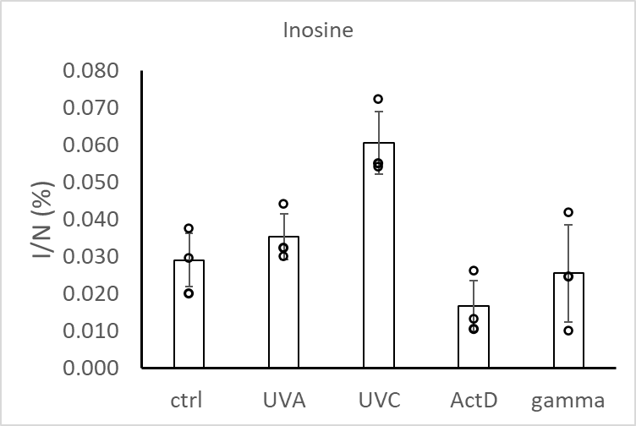
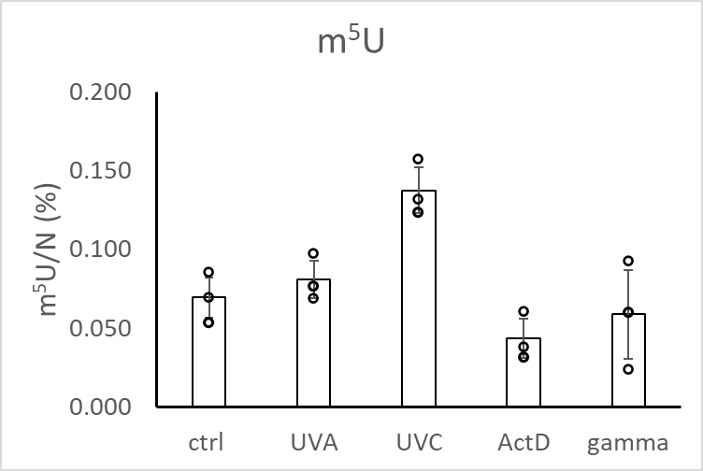
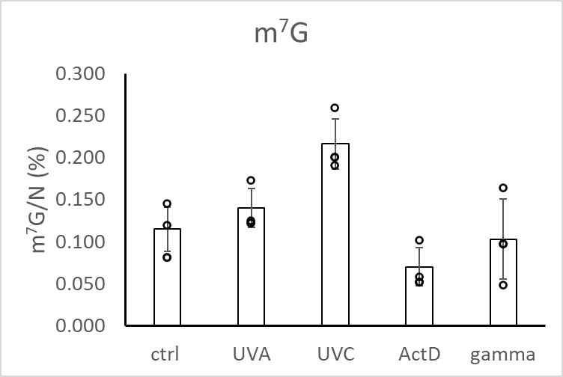
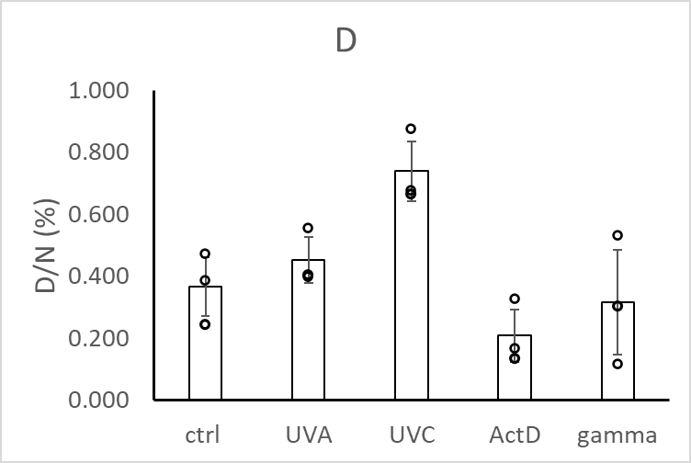

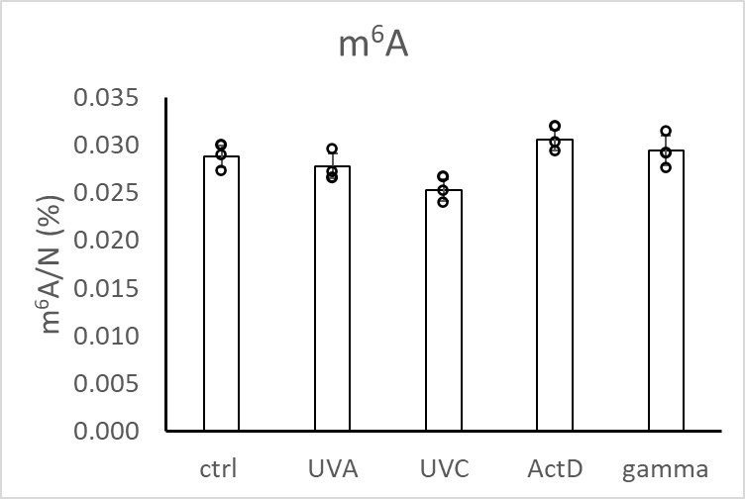
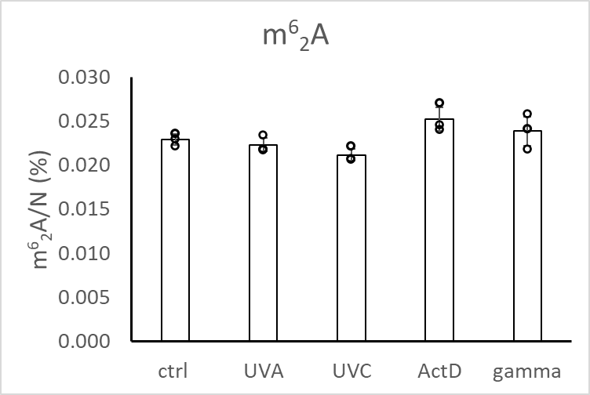
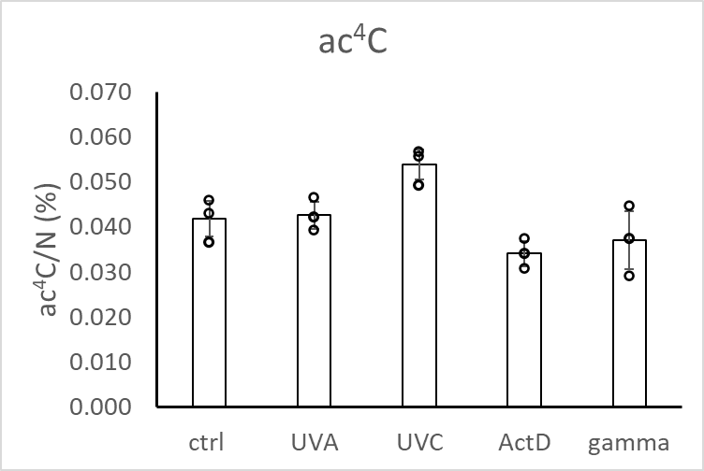

long RNA graphs
